SUN
Model |  | Colour | Cod Col | qt effettivo | RTL Price | Total Value | Made In | Hs code | EAN | Material
 | ada/s | light blue | 213 | 24 | 165.00 € | 3,960.00 € | italy | 9004-1091 | 8053904199839 | Acetate
 | ada/s | light pink | 273 | 20 | 165.00 € | 3,300.00 € | italy | 9004-1092 | 8053904199846 | Acetate
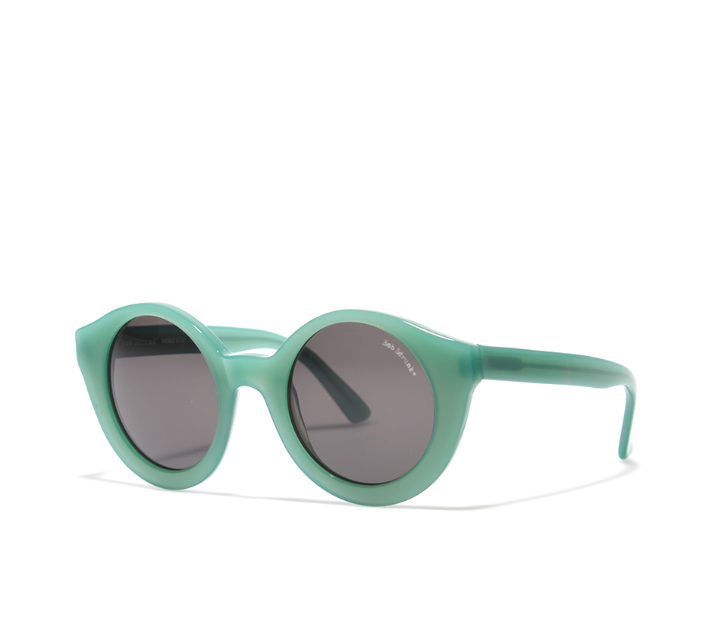 | amalia/s | green | 15 | 1 | 165.00 € | 165.00 € | italy | 9004-1093 | 8053904191314 | Acetate
 | andrew/s | gold | 102/mg | 1 | 189.00 € | 189.00 € | italy | 9004-1094 | 8053904195954 | Plastic + Hypoallergenic Metal + Acetate
 | andrew/s | silver | 103/ms | 2 | 189.00 € | 378.00 € | italy | 9004-1095 | 8053904195978 | Plastic + Hypoallergenic Metal + Acetate
 | andrew/s | silver | 102/mv | 2 | 189.00 € | 378.00 € | italy | 9004-1096 | 8053904195961 | Plastic + Hypoallergenic Metal + Acetate
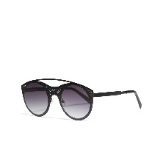 | anouk/s | matte black | 01/S | 114 | 209.00 € | 23,826.00 € | italy | 9004-1097 | 8053904197361 | Hypoallergenic metal
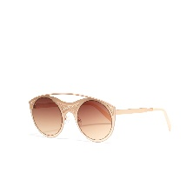 | anouk/s | matte copper | 102/S | 146 | 209.00 € | 30,514.00 € | italy | 9004-1098 | 8053904197378 | Hypoallergenic metal
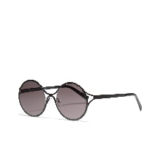 | becky/s | matte black | 01/S | 103 | 209.00 € | 21,527.00 € | italy | 9004-1099 | 8053904197347 | Hypoallergenic metal
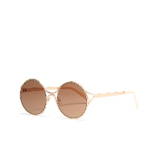 | becky/s | matte copper | 102/S | 121 | 209.00 € | 25,289.00 € | italy | 9004-1100 | 8053904197354 | Hypoallergenic metal
 | billy/s | tortoise | 02 | 2 | 188.00 € | 376.00 € | italy | 9004-1101 | 8053904193424 | Acetate + Hypoallergenic metal
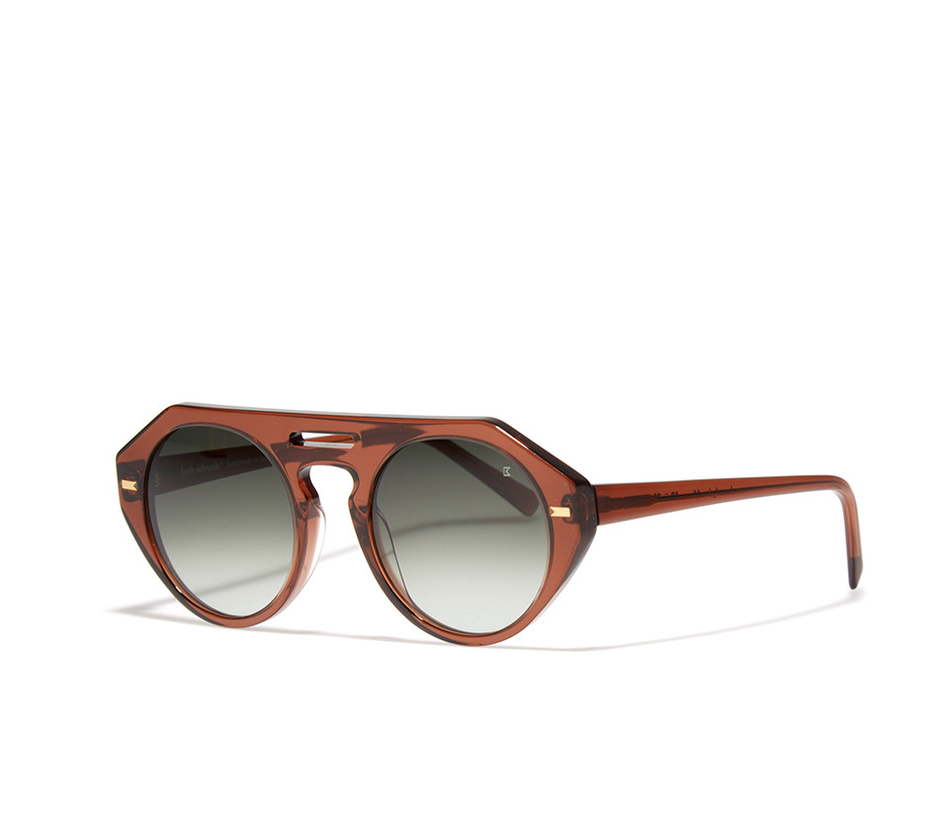 | brandy/s | cola | 66 | 4 | 189.00 € | 756.00 € | italy | 9004-1102 | 8053904197682 | Acetate
 | brandon/s | gold | 102 | 11 | 209.00 € | 2,299.00 € | italy | 9004-1103 | 8053904196944 | Acetate + Hypoallergenic metal
 | brandon/s | silver | 103 | 1 | 209.00 € | 209.00 € | italy | 9004-1104 | 8053904196937 | Acetate + Hypoallergenic metal
 | brian/s | black | 01 | 37 | 115.00 € | 4,255.00 € | italy | 9004-1105 | 8053904198559 | Plastic
 | brian/s | crystal blue | 213 | 29 | 115.00 € | 3,335.00 € | italy | 9004-1106 | 8053904198566 | Plastic
 | dave/s | gold | 102/mv | 3 | 189.00 € | 567.00 € | italy | 9004-1107 | 8053904195992 | Plastic + Hypoallergenic Metal + Acetate
 | dave/s | silver | 103/mb | 2 | 189.00 € | 378.00 € | italy | 9004-1108 | 8053904195985 | Plastic + Hypoallergenic Metal + Acetate
 | dylan/s | gold | 102 | 2 | 209.00 € | 418.00 € | italy | 9004-1109 | 8053904196913 | Acetate + Hypoallergenic metal
 | dylan/s | silver | 103 | 6 | 209.00 € | 1,254.00 € | italy | 9004-1110 | 8053904196920 | Acetate + Hypoallergenic metal
 | elektra/s | tortoise | 02/g/m | 1 | 260.00 € | 260.00 € | italy | 9004-1111 | 8053904195541 | Acetate + Hypoallergenic metal
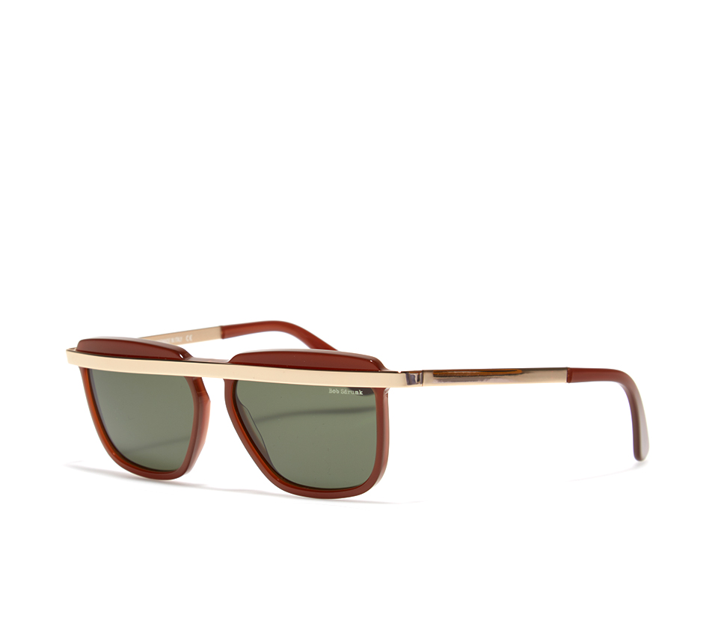 | faith/s | cola | 66 | 1 | 209.00 € | 209.00 € | italy | 9004-1112 | 8053904193196 | Acetate + Hypoallergenic metal
 | faust/s | silver - white | 103-12 | 44 | 155.00 € | 6,820.00 € | italy | 9004-1113 | 8053904198733 | Acetate + Hypoallergenic metal
 | faust/s | black | 101-01 | 87 | 155.00 € | 13,485.00 € | italy | 9004-1114 | 8053904198771 | Acetate + Hypoallergenic metal
 | freud plus/S | silver - black | 01 | 1 | 186.00 € | 186.00 € | italy | 9004-1115 | 8053904196159 | Acetate + Hypoallergenic metal
 | grace/s | black | 01 | 8 | 228.00 € | 1,824.00 € | italy | 9004-1116 | 8053904197255 | Acetate + Hypoallergenic metal
 | grace/s | light blue | 313 | 4 | 228.00 € | 912.00 € | italy | 9004-1117 | 8053904197279 | Acetate + Hypoallergenic metal
 | grace/s | tortoise | 54 | 2 | 228.00 € | 456.00 € | italy | 9004-1118 | 8053904197262 | Acetate + Hypoallergenic metal
 | groucho/s | honey | 16 | 1 | 168.00 € | 168.00 € | italy | 9004-1119 | 8053904190348 | Acetate
 | hanna/s | tortoise | 02/g | 1 | 209.00 € | 209.00 € | italy | 9004-1120 | 8053904193974 | Acetate + Hypoallergenic metal
 | hanna/s | grey and white | 51 | 1 | 209.00 € | 209.00 € | italy | 9004-1121 | 8053904193967 | Acetate + Hypoallergenic metal
 | howard/s | gun - black | 110-01 | 1 | 228.00 € | 228.00 € | italy | 9004-1122 | 8053904194858 | Acetate + Hypoallergenic metal
 | howard/s | silver-black | 103-01 | 1 | 228.00 € | 228.00 € | italy | 9004-1123 | 8053904194834 | Acetate + Hypoallergenic metal
 | isotta/s | black - gold | 101-102 | 4 | 230.00 € | 920.00 € | italy | 9004-1124 | 8053904196616 | Acetate + Hypoallergenic metal
 | isotta/s | black - copper | 106 | 4 | 230.00 € | 920.00 € | italy | 9004-1125 | 8053904196623 | Acetate + Hypoallergenic metal
 | j. dean/s | rust | 02 | 1 | 189.00 € | 189.00 € | italy | 9004-1126 |  | Acetate + Hypoallergenic metal
 | jerry/s | gun - black | 101 | 1 | 209.00 € | 209.00 € | italy | 9004-1127 | 8053904195169 | Acetate + Hypoallergenic metal
 | jerry/s | gold | 102 | 2 | 209.00 € | 418.00 € | italy | 9004-1128 | 8053904195176 | Acetate + Hypoallergenic metal
 | jim/s | matte black | 01 | 1 | 230.00 € | 230.00 € | italy | 9004-1129 | 8053904194377 | Acetate + Hypoallergenic metal
 | jim/s | matte tortoise | 02 | 2 | 230.00 € | 460.00 € | italy | 9004-1130 | 8053904194384 | Acetate + Hypoallergenic metal
 | joe/s | black - gold | 01/G | 2 | 189.00 € | 378.00 € | italy | 9004-1131 | 8053904192922 | Acetate + Hypoallergenic metal
 | joe/s | chestnut - gold | 67/G | 6 | 189.00 € | 1,134.00 € | italy | 9004-1132 | 8053904192953 | Acetate + Hypoallergenic metal
 | joe/s | green - gold | 15/G | 6 | 189.00 € | 1,134.00 € | italy | 9004-1133 | 8053904192946 | Acetate + Hypoallergenic metal
 | joe/s | pink | 73 | 11 | 189.00 € | 2,079.00 € | italy | 9004-1134 | 8053904192939 | Acetate + Hypoallergenic metal
 | jung/s | silver | 103 | 26 | 180.00 € | 4,680.00 € | italy | 9004-1135 | 8052462790533 | Hypoallergenic metal
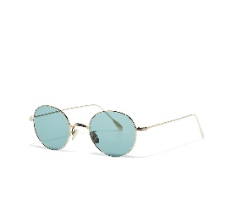 | jung/s | gold | 102 | 11 | 180.00 € | 1,980.00 € | italy | 9004-1136 | 8052462790526 | Hypoallergenic metal
 | jung/s | gold | 102/V | 2 | 180.00 € | 360.00 € | italy | 9004-1137 | 8053904196692 | Hypoallergenic metal
 | jung/s | gold | 102/p | 2 | 180.00 € | 360.00 € | italy | 9004-1138 | 8053904196678 | Hypoallergenic metal
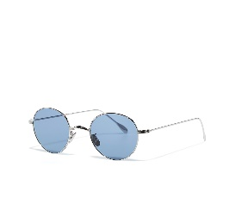 | jung plus/S | 102-13 | gold-blue | 2 | 180.00 € | 360.00 € | italy | 9004-1139 | 8053904196654 | Hypoallergenic metal
 | lenny/s | purple | 259 | 11 | 186.00 € | 2,046.00 € | italy | 9004-1140 | 8053904197910 | Acetate
 | lenny/s | chestnut - horn | 05-35 | 4 | 186.00 € | 744.00 € | italy | 9004-1141 | 8053904197880 | Acetate
 | lenny/s | green | 215 | 15 | 186.00 € | 2,790.00 € | italy | 9004-1142 | 8053904197903 | Acetate
 | lenox/s | silver | 103/S | 10 | 195.00 € | 1,950.00 € | italy | 9004-1143 | 8053904197477 | Acetate + Hypoallergenic metal
 | lenox/s | grey | 310/S | 28 | 195.00 € | 5,460.00 € | italy | 9004-1144 | 8053904197484 | Acetate + Hypoallergenic metal
 | leo/s | black | 01 | 54 | 186.00 € | 10,044.00 € | italy | 9004-1145 | 8053904191840 | Acetate + Hypoallergenic metal
 | leo/s | havana | 03 | 5 | 186.00 € | 930.00 € | italy | 9004-1146 | 8053904191857 | Acetate + Hypoallergenic metal
 | leo/s | green tortoise | 72-15 | 29 | 186.00 € | 5,394.00 € | italy | 9004-1147 | 8053904196401 | Acetate + Hypoallergenic metal
 | leslie/s | black | 101 | 102 | 170.00 € | 17,340.00 € | italy | 9004-1148 | 8053904198573 | Acetate + Hypoallergenic metal
 | leslie/s | gold | 102 | 110 | 170.00 € | 18,700.00 € | italy | 9004-1149 | 8053904198580 | Acetate + Hypoallergenic metal
 | lindy/s | silver | 103 | 12 | 185.00 € | 2,220.00 € | italy | 9004-1150 |  | Acetate + Hypoallergenic metal
 | lindy/s | gold | 102 | 8 | 185.00 € | 1,480.00 € | italy | 9004-1151 |  | Acetate + Hypoallergenic metal
 | lizzie/s | black | 01 | 6 | 228.00 € | 1,368.00 € | italy | 9004-1152 | 8053904197286 | Acetate + Hypoallergenic metal
 | lizzie/s | havana | 06 | 5 | 228.00 € | 1,140.00 € | italy | 9004-1153 | 8053904197309 | Acetate + Hypoallergenic metal
 | lizzie/s | pink | 73 | 5 | 228.00 € | 1,140.00 € | italy | 9004-1154 | 8053904197293 | Acetate + Hypoallergenic metal
 | lois/s | black | 01 | 4 | 165.00 € | 660.00 € | italy | 9004-1155 |  | Acetate + Hypoallergenic metal
 | lois/s | silver-pink | 103-19 | 1 | 165.00 € | 165.00 € | italy | 9004-1156 | 8053904198405 | Acetate + Hypoallergenic metal
 | lois/s | gold-green | 102-15 | 1 | 165.00 € | 165.00 € | italy | 9004-1157 | 8053904198399 | Acetate + Hypoallergenic metal
 | lois/s | yellow | 16 | 1 | 165.00 € | 165.00 € | italy | 9004-1158 |  | Acetate + Hypoallergenic metal
 | lucius/s | matte black | 01/s | 4 | 218.00 € | 872.00 € | italy | 9004-1159 | 8053904197385 | Acetate + Hypoallergenic metal
 | madelina/s | silver | 103 | 6 | 185.00 € | 1,110.00 € | italy | 9004-1160 |  | Acetate + Hypoallergenic metal
 | madelina/s | gold | 102 | 8 | 185.00 € | 1,480.00 € | italy | 9004-1161 |  | Acetate + Hypoallergenic metal
 | malcolm/s | crystal pink | 73 | 1 | 177.00 € | 177.00 € | italy | 9004-1162 | 8053904191987 | Acetate
 | malibù/s | black | 01 | 3 | 209.00 € | 627.00 € | italy | 9004-1163 | 8053904193431 | Acetate + Hypoallergenic metal
 | malibù/s | tortoise | 02 | 5 | 209.00 € | 1,045.00 € | italy | 9004-1164 | 8053904193448 | Acetate + Hypoallergenic metal
 | mark/s | havana - gold | 03/g | 10 | 189.00 € | 1,890.00 € | italy | 9004-1165 | 8053904192151 | Acetate + Hypoallergenic metal
 | mark/s | black - gold | 01/g | 10 | 189.00 € | 1,890.00 € | italy | 9004-1166 | 8053904192137 | Acetate + Hypoallergenic metal
 | mark/s | crystal | 55/M | 38 | 189.00 € | 7,182.00 € | italy | 9004-1167 | 8053904196067 | Acetate + Hypoallergenic metal
 | mark/s | havana | 03 | 38 | 189.00 € | 7,182.00 € | italy | 9004-1168 | 8053904192144 | Acetate + Hypoallergenic metal
 | mark/s | black - silver | 01/S/M | 51 | 189.00 € | 9,639.00 € | italy | 9004-1169 | 8053904196043 | Acetate + Hypoallergenic metal
 | mark/s | red | 28 | 2 | 189.00 € | 378.00 € | italy | 9004-1170 | 8053904194025 | Acetate + Hypoallergenic metal
 | mark/s | crystal red | 414 | 1 | 189.00 € | 189.00 € | italy | 9004-1171 | 8053904193653 | Acetate + Hypoallergenic metal
 | mark/s | crystal blue | 413 | 1 | 189.00 € | 189.00 € | italy | 9004-1172 | 8053904193646 | Acetate + Hypoallergenic metal
 | mark/s | crystal green | 215 | 2 | 189.00 € | 378.00 € | italy | 9004-1173 | 8053904196050 | Acetate + Hypoallergenic metal
 | mark/s | blue | 313 | 24 | 189.00 € | 4,536.00 € | italy | 9004-1174 | 8053904194049 | Acetate + Hypoallergenic metal
 | mark/s | brown tortoise - gold | 302/G | 1 | 189.00 € | 189.00 € | italy | 9004-1175 | 8053904194032 | Acetate + Hypoallergenic metal
 | mariposa/s | pearl green | 75 | 3 | 189.00 € | 567.00 € | italy | 9004-1176 | 8053904199204 | Acetate
 | martin/s | gun - black | 110 | 1 | 189.00 € | 189.00 € | italy | 9004-1177 | 8053904196012 | Plastic + Hypoallergenic Metal + Acetate
 | martin/s |  | 103/MS | 1 | 189.00 € | 189.00 € | italy | 9004-1178 | 8053904196036 | Plastic + Hypoallergenic Metal + Acetate
 | matias/s | black | 01/RM | 4 | 185.00 € | 740.00 € | italy | 9004-1179 | 8053904194292 | Acetate + Hypoallergenic metal
 | matias/s | tortoise | 02/G | 1 | 185.00 € | 185.00 € | italy | 9004-1180 | 8053904194308 | Acetate + Hypoallergenic metal
 | mercury/s | silver | 103/mr | 5 | 209.00 € | 1,045.00 € | italy | 9004-1181 | 8053904195237 | Acetate + Hypoallergenic metal
 | mercury/s | black | 01/s | 2 | 209.00 € | 418.00 € | italy | 9004-1182 | 8053904195244 | Acetate + Hypoallergenic metal
 | mercury/s | gold | 102 | 3 | 209.00 € | 627.00 € | italy | 9004-1183 | 8053904195220 | Acetate + Hypoallergenic metal
 | miamor/s | black matt | 01/s | 3 | 209.00 € | 627.00 € | italy | 9004-1184 | 8053904194773 | Acetate
 | nabil/s | white | 12 | 3 | 189.00 € | 567.00 € | italy | 9004-1185 | 8053904192762 | Acetate + Hypoallergenic metal
 | nabil/s | champagne - gold | 20/g | 1 | 189.00 € | 189.00 € | italy | 9004-1186 | 8053904192786 | Acetate + Hypoallergenic metal
 | nabil/s | blue | 13 | 1 | 189.00 € | 189.00 € | italy | 9004-1187 | 8053904192779 | Acetate + Hypoallergenic metal
 | nabil/s | grey - white | 51 | 28 | 189.00 € | 5,292.00 € | italy | 9004-1188 | 8053904194490 | Acetate + Hypoallergenic metal
 | napoleon/s | gold | 02/PG | 2 | 209.00 € | 418.00 € | italy | 9004-1189 | 8053904197064 | Acetate + Hypoallergenic metal + Leather
 | napoleon/s | silver | 01/p | 7 | 209.00 € | 1,463.00 € | italy | 9004-1190 | 8053904197057 | Acetate + Hypoallergenic metal + Leather
 | nat/s | gun - black | 101 | 45 | 209.00 € | 9,405.00 € | italy | 9004-1191 | 8053904197002 | Acetate + Hypoallergenic metal
 | nat/s | gold | 102 | 1 | 209.00 € | 209.00 € | italy | 9004-1192 | 8053904197019 | Acetate + Hypoallergenic metal
 | nat/s | silver | 103 | 9 | 209.00 € | 1,881.00 € | italy | 9004-1193 | 8053904197026 | Acetate + Hypoallergenic metal
 | nelson/s | gold - leather | 02/PG | 58 | 209.00 € | 12,122.00 € | italy | 9004-1194 | 8053904197071 | Acetate + Hypoallergenic metal + Leather
 | nes/s | white | 12 | 5 | 177.00 € | 885.00 € | italy | 9004-1195 |  | Acetate
 | nick/s | black | 01 | 41 | 115.00 € | 4,715.00 € | italy | 9004-1196 | 8053904198511 | Plastic
...
Model |  | Colour | Cod Col | qt effettivo | RTL Price | Total Value | Made In | Hs code | EAN | Material
 | Tristan/S | tortoise - gold | 02-102 | 43 | 260.00 € | 11,180.00 € | italy | 9004-1231 | 8053904196593 | Acetate + Hypoallergenic metal
 | uranus/s | matte black | 01/S | 7 | 197.00 € | 1,379.00 € | italy | 9004-1232 | 8053904195275 | Acetate + Hypoallergenic metal
 | uranus/s | silver | 103/MR | 4 | 197.00 € | 788.00 € | italy | 9004-1233 | 8053904195268 | Acetate + Hypoallergenic metal
 | uranus/s | gold | 102/MG | 8 | 197.00 € | 1,576.00 € | italy | 9004-1234 | 8053904195251 | Acetate + Hypoallergenic metal
 | victor/s | camouflage | sturm. | 1 | 180.00 € | 180.00 € | italy | 9004-1235 |  | Acetate
 | vonn/s | black | 101/s | 41 | 180.00 € | 7,380.00 € | italy | 9004-1236 | 8053904197491 | Plastic + Hypoallergenic Metal
 | walt/s | black - gold | 01/G | 17 | 195.00 € | 3,315.00 € | italy | 9004-1237 | 8053904196418 | Acetate + Hypoallergenic metal
 | walt/s | tortoise | 02 | 77 | 195.00 € | 15,015.00 € | italy | 9004-1238 | 8053904196425 | Acetate + Hypoallergenic metal
 |  |  |  | 2632 |  | 504,216.00 €

